ASSESSMENT
EXCEL INTERMEDIATE PART 1 SKILL ASSESSMENT CHART
CORRECT | 0
INCORRECT | 22
Excel Introduction Assessment

 | Instructions:
 | 1) Go Through each of green tabs answering the questions at the bottom of each sheet. 2) Once you are done with all 4 green tabs, look at the Recommendation below.

 | Recommendation:

 | Please take assessment

Correct = You are skilled in the area
Incorrect = You are not skilled in the area

EXCEL TABLES
Tables Assessment
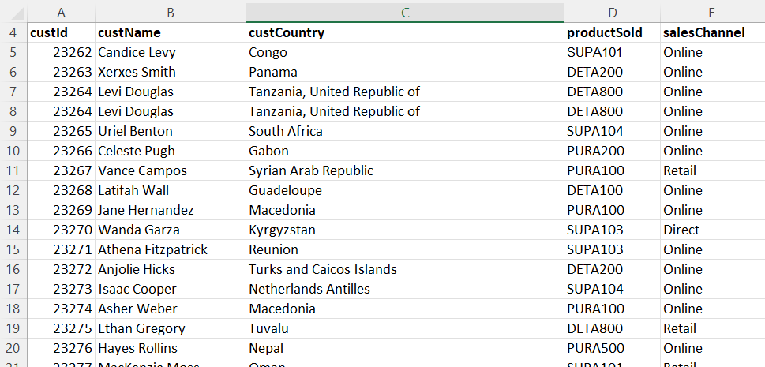
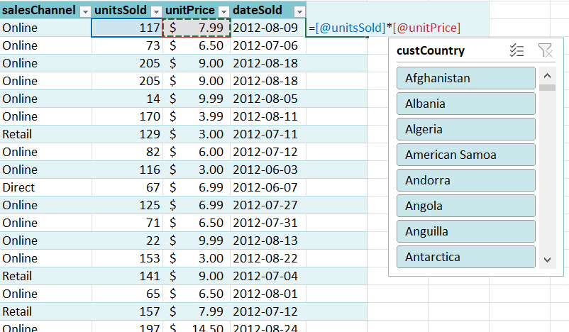

Question | Answer
Are you familiar with how to create tables, change table styles, add columns, etc.? |  | 0
Are you familiar with calculated columns? |  | 0
Are you familiar with a multi-level sort? |  | 0
Are you familiar with Slicers? |  | 0
Are you familiar with range names? |  | 0

FUNCTION BASICS
Function Basics Assessment
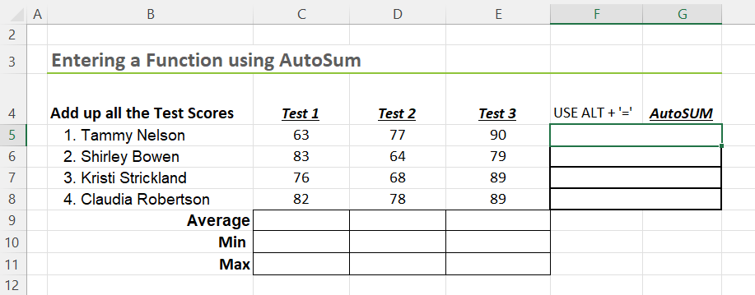
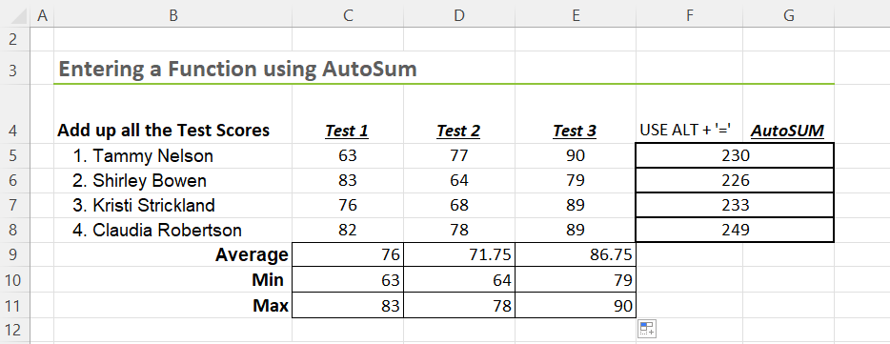

Are you skilled at the following: | Answer
What function totals all the numbers in a range of cells? |  | 0
One way to search for a new function is to click the ______button that's found under the ____ tab. |  | 0
Flash Fill uses formulas you define to calcuate a result? |  | 0
When writing a formula with a function, correct placement of commas (",") and parenthesis ("()") is crucial. |  | 0
When writing a formula, I would start it with an = sign. |  | 0
I can use the ________ function to retrieve today's date. |  | 0
The second argument in a Mid function determines how many characters to return? |  | 0

LOGICAL FUNCTIONS
Logical Functions Assessment
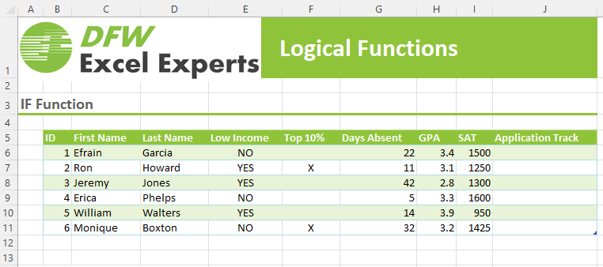
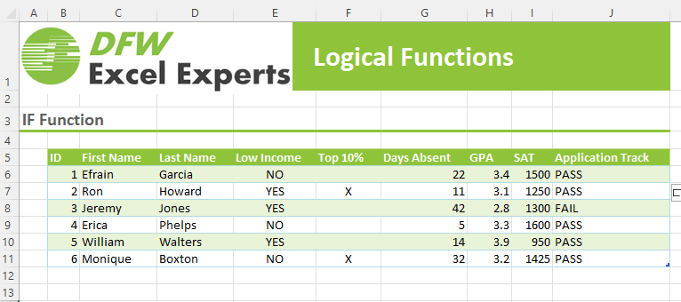

Are you skilled at the following: | Answer
What function would be useful to put the word "PASS" in the Application Track column when the student has an "X" is the Top 10% column? |  | 0
Which function(s) would be helpful to determine which students are in the Top 10% and have a GPA greater than 2.5 in the example above? |  | 0
Are you familiar with nesting functions (embedding functions in other functions)? |  | 0

LOOKUP FUNCTIONS
Lookup Functions Assessment
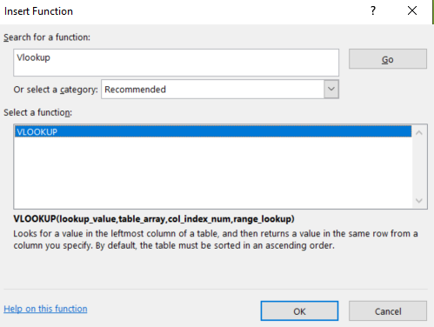
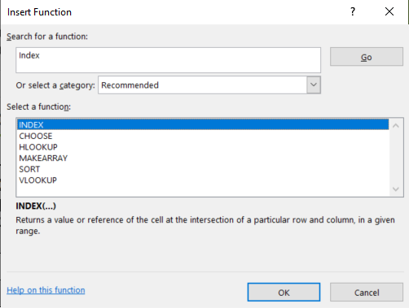
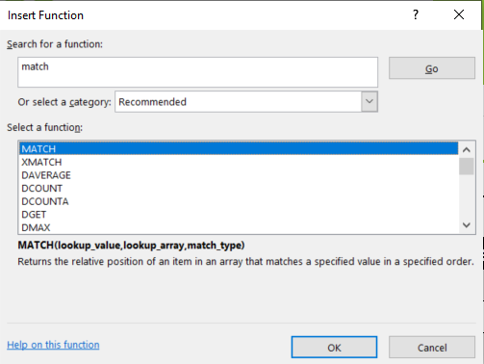

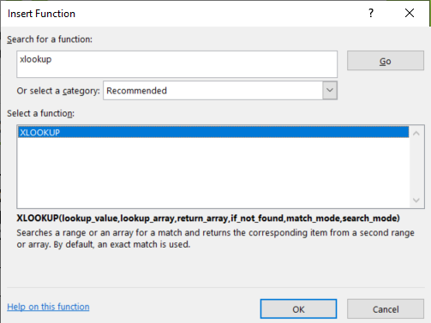
Are you skilled at the following: | Answer
VLOOKUP only works on horizontal data. |  | 0
The INDEX function by itself can do everything VLOOKUP can do? |  | 0
The MATCH function is not case specific when matching text values. |  | 0
XLOOKUP can search both vertical and horizontally oriented data |  | 0
I'm familiar with XLOOKUP. |  | 0
Im familiar with VLOOKUP. |  | 0
I'm familiar with the INDEX and MATCH functions. |  | 0

