Assessment
EXCEL INTRODUCTION SKILL ASSESSMENT CHART
YES | 0
NO | 38
Excel Introduction Assessment

 | Instructions:
 | 1) Go Through each of green tabs answering the questions at the bottom. Answer "Yes" if you are skilled in the area, and "No" if you are not skilled in the area. 2) Once you are done with all 8 green tabs, look at the Recommendation below.

 | Recommendation:

 | Please take assessment

Yes = You are skilled in the area
No = You are not skilled in the area

Copy Paste Move
Copy Paste Move Assessment
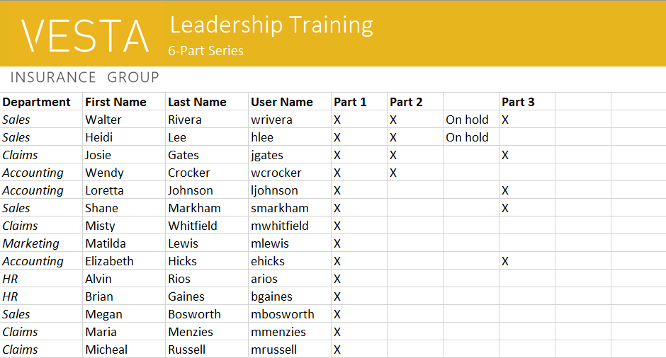
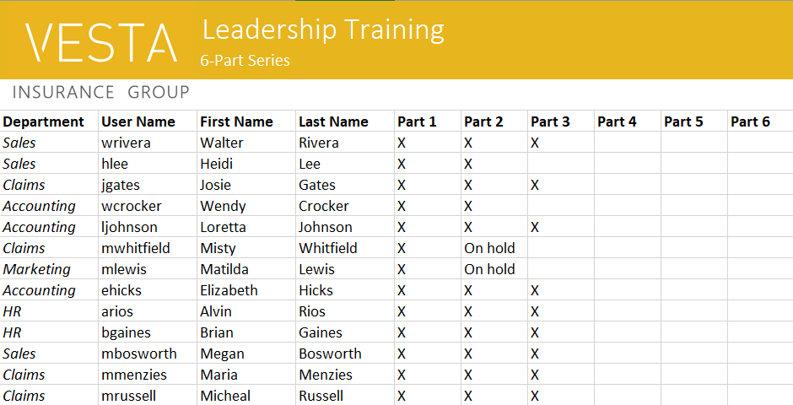

Question | Yes/No
Can you copy and paste data using the Excel menu and via keyboard shortcuts? |  | 0
Can you copy data using the cell fill handle? |  | 0
Using Excel Autofill feature to create Part 4, Part 5, and Part 6 in above right solution? |  | 0
Moving columns and rows around, like moving the User Name column to the left of the Last Name column? |  | 0

Formatting
Formating Assessment
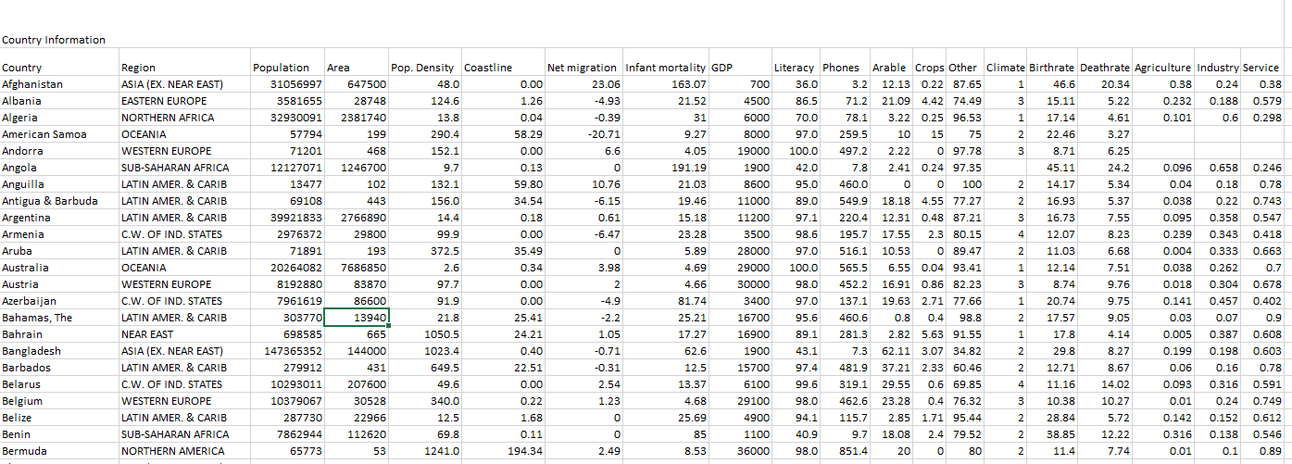
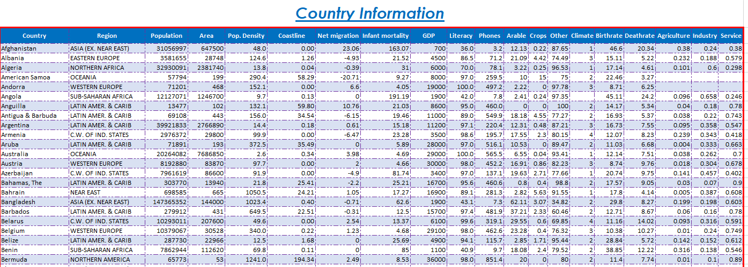

Are you skilled at the following: | Yes/No
Changing font size, font color, fill color, font type? |  | 0
Using Bold, Underline and Italic? |  | 0
Using the cell fill handle to just copy formats and not values? |  | 0
Creating a vareity of cell boarders? |  | 0
Creating a custom cell boarder like show in image in upper right? |  | 0
Using pre-defined cell styles? |  | 0
Using the Format Painter to copy formats to other cells? |  | 0

PivotTables
PivotTables
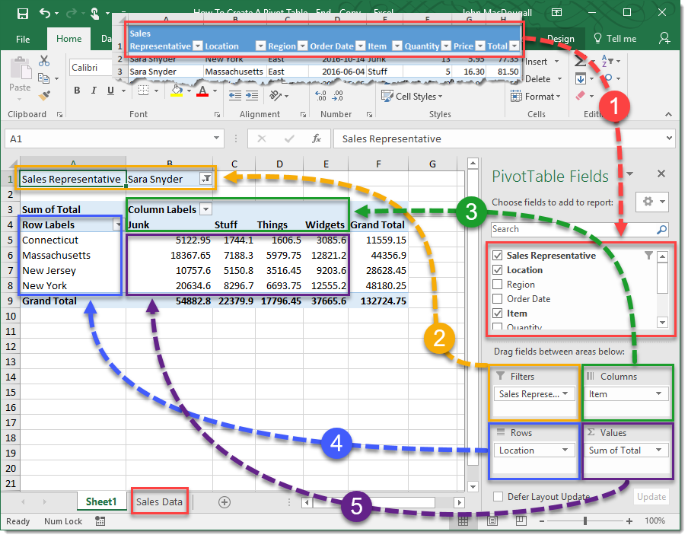

Are you skilled at the following: | Yes/No
Creating PivotTables? |  | 0
Using Filters, Rows, Columns and Values in a PivotTable? |  | 0
Slicing and dicing PivotTables to answer different business questions? |  | 0
Drilling down from summary data to the detail records that make up the summary data? |  | 0

Cell References
Cell References
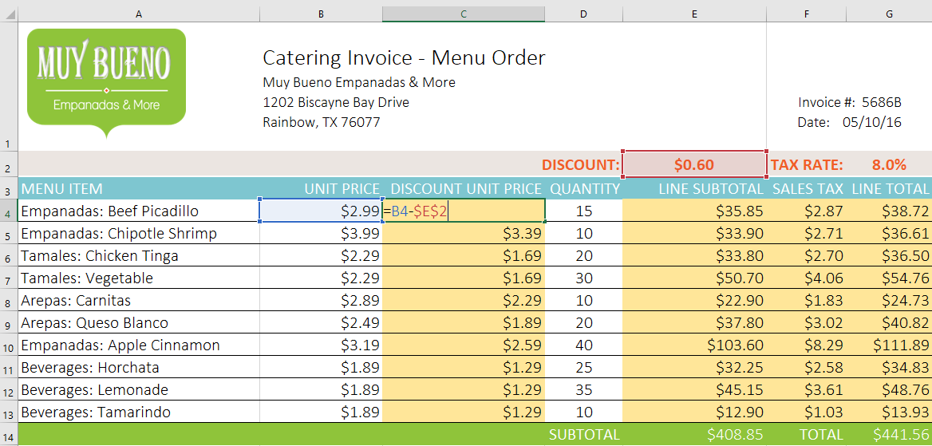

Are you skilled at the following: | Yes/No
The difference between the cell reference A1 vs $A$1? |  | 0
When to use relative cell references? |  | 0
When to use absolute cell references? |  | 0
Do you understand what the formula "=B4-$E$2" means in the image above? |  | 0

Functions
Functions
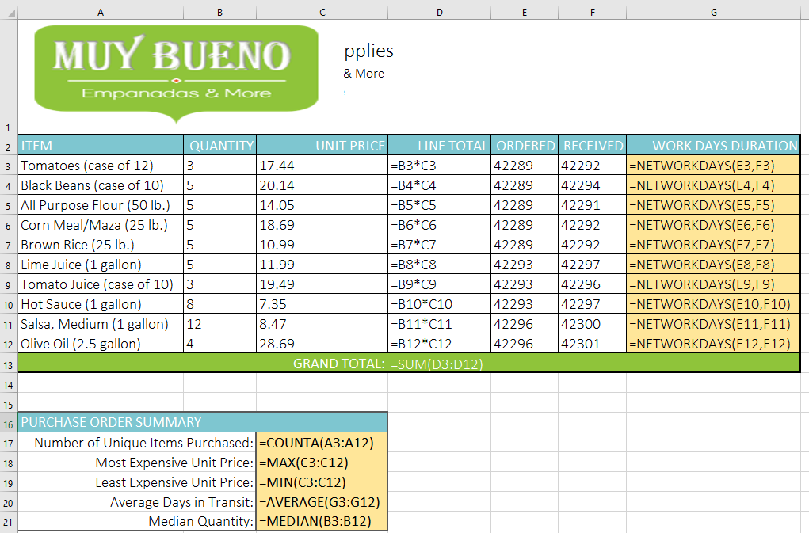

Are you skilled at the following: | Yes/No
Using the AutoSum feature? |  | 0
Using the function Fx button? |  | 0
Using the function library? |  | 0
Do you understand the functions used above? |  | 0

Charts
CHARTS
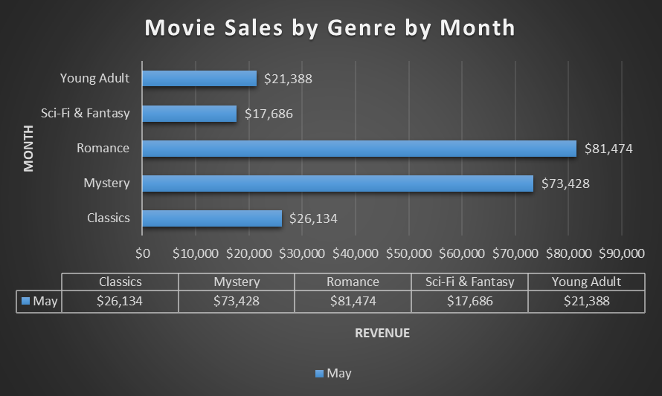

Are you skilled at the following: | Yes/No
Turning the table on left into the chart on the right? |  | 0
Working with Chart Data Labels? |  | 0
Adding a table below a chart? |  | 0
Filtering data in a chart? |  | 0

